Sheet1
Sr.No | Percentage Scored
17 | 36
4 | 39
24 | 39
39 | 45
9 | 47
3 | 48
7 | 50 |  | Percentage | No OF Students
14 | 50 |  | 90% - 99% | 10
48 | 53 |  | 80% - 90% | 8
20 | 54 |  | 70% -80% | 9
49 | 55 |  | 60% - 70% | 11
2 | 59 |  | 50% -60% | 6
22 | 61 |  | Below 50% | 6
8 | 62 |  | otal number of students
29 | 64
 | No OF Students
90% - 99% | 10
80% - 90% | 8
70% -80% | 9
60% - 70% | 11
50% -60% | 6
Below 50% | 6
otal number of students
47 | 64
5 | 65
15 | 65
34 | 65
6 | 67
26 | 67
11 | 70
46 | 70
38 | 71
19 | 73
30 | 76
1 | 77
36 | 77
27 | 78
43 | 78
41 | 80
44 | 80
28 | 81
35 | 86
40 | 86
32 | 87
42 | 88
25 | 89
12 | 90
33 | 90
10 | 92
16 | 92
50 | 92
23 | 93
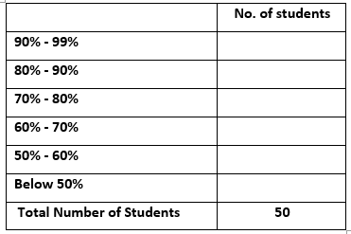
21 | 94
13 | 95
18 | 96
37 | 96
31 | 97
45 | 98

 |  | 12

